07-23-17 Private Sector
Operational Period: Sunday, July 23, 2017 / 7:45 a.m. | Confidential Information Note |  |  | NOTE - Information in this document is for operational use only. These are approximate numbers for fleet movement ONLY. This Information does not replace any information exchange between Private Sector and it's local jurisdiction its serves. This information is not used for any media releases. Each company is responsible for their media releases that is shared with their Jurisdictions.
Responding States (Private Sector Resources) |  |  |  | US CAN | Pass Through States |  |  |  |  |  |  |  |  |  |  |  |  |  |  |  |  |  | Pass Through Possible Impacted States |  |  |  |  |  |  | Est. Power Outages | Requesting States (Private Sector)
States | Departure Date | ETA | Intra Inter | Cross | AL | GA | SC | IN | MO | KY | LA | MS | AR | TN | IN | OH | CT | NY | NJ | NH | VT | MA | NC | VA | WV | PA | DE | MD | DC |  | State
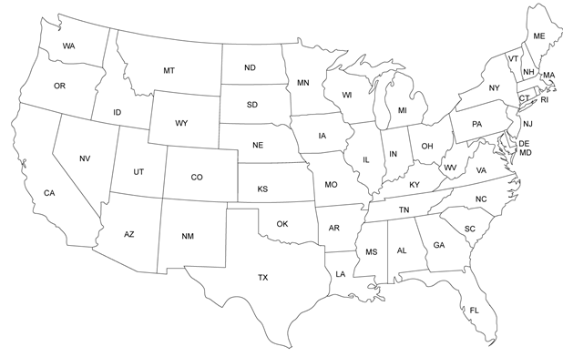
Canada
South Carolina | 2017-07-25 | 2017-07-25 | Intra |  |  |  |  |  |  |  |  |  |  |  |  |  |  |  |  |  |  |  | X | X |  |  |  |  | X | 150,200 | District of Columbia
New York | 2017-07-25 | 2017-07-25 | Intra |  |  |  |  |  |  |  |  |  |  |  |  |  |  |  |  |  |  |  |  |  |  | X | X | X | X |  | District of Columbia
Connecticut | 2017-07-25 | 2017-07-26 | Intra |  |  |  |  |  |  |  |  |  |  |  |  |  |  | X | X |  |  |  |  |  |  | X | X | X | X |  | District of Columbia
Maine | 2017-07-25 | 2017-07-26 | Intra |  |  |  |  |  |  |  |  |  |  |  |  |  |  | X | X | X | X | X |  |  |  | X | X | X | X |  | District of Columbia
North Carolina | 2017-07-25 | 2017-07-25 | Intra |  |  |  |  |  |  |  |  |  |  |  |  |  |  |  |  |  |  |  | X | X |  |  |  |  | X |  | District of Columbia
New York | 2017-07-25 | 2017-07-25 | Intra |  |  |  |  |  |  |  |  |  |  |  |  |  |  | X | X |  |  |  |  |  |  |  | X |  |  | 176,546 | Delaware
New Jersey | 2017-07-25 | 2017-07-25 | Intra |  |  |  |  |  |  |  |  |  |  |  |  |  |  |  | X |  |  |  |  |  |  |  | X |  |  |  | Delaware
Ohio | 2017-07-25 | 2017-07-26 | Intra |  |  |  |  |  |  |  |  |  |  |  |  | X |  |  |  |  |  |  |  |  | X | X | X | X |  |  | Delaware
Illinois | 2017-07-25 | 2017-07-26 | Intra |  |  |  |  |  |  | X |  |  |  |  | X | X |  |  |  |  |  |  |  |  | X | X |  | X |  | 298,000 | Maryland
New Jersey | 2017-07-25 | 2017-07-25 | Intra |  |  |  |  |  |  |  |  |  |  |  |  |  |  |  |  |  |  |  |  |  |  |  | X | X |  |  | Maryland
New York | 2017-07-25 | 2017-07-25 | Intra |  |  |  |  |  |  |  |  |  |  |  |  |  |  | X | X |  |  |  |  |  |  | X | X | X |  |  | Maryland
Maine | 2017-07-25 | 2017-07-26 | Intra |  |  |  |  |  |  |  |  |  |  |  |  |  | X | X | X | X | X | X |  |  |  |  | X | X |  |  | Maryland
New York | 2017-07-25 | 2017-07-25 | Intra |  |  |  |  |  |  |  |  |  |  |  |  |  |  | X |  |  |  |  |  |  |  | X |  |  |  | 179,000 | Pennsylvania
New England | 2017-07-25 | 2017-07-26 | Intra |  |  |  |  |  |  |  |  |  |  |  |  |  | X | X | X | X | X | X |  |  |  | X | X |  |  |  | Pennsylvania
Canada | 2017-07-25 | 2017-07-26 | Intra | X |  |  |  |  |  |  |  |  |  |  |  |  | X | X | X |  |  |  |  |  |  | X | X |  |  |  | Pennsylvania
Ohio | 2017-07-25 | 2017-07-26 | Intra |  |  |  |  |  |  |  |  |  |  |  |  |  |  |  |  |  |  |  |  |  | X | X |  |  |  |  | Pennsylvania
South Carolina | 2017-07-25 | 2017-07-25 | Intra |  |  |  | X |  |  |  |  |  |  |  |  |  |  |  |  |  |  |  | X | X |  |  |  |  |  | 218,311 | Virginia
Alabama | 2017-07-25 | 2017-07-25 | Intra |  | X | X | X |  |  |  |  |  |  |  |  |  |  |  |  |  |  |  | X | X | X |  |  |  |  |  | Virginia
Kentucky | 2017-07-25 | 2017-07-26 | Intra |  |  |  | X |  |  |  |  |  |  |  |  |  |  |  |  |  |  |  |  | X | X |  |  |  |  |  | Virginia
Georgia | 2017-07-25 | 2017-07-25 | Intra |  |  | X | X |  |  | X |  |  |  |  |  |  |  |  |  |  |  |  | X | X |  |  |  |  |  |  | Virginia
West Virginia | 2017-07-25 | 2017-07-25 | Intra |  |  |  |  |  |  |  |  |  |  |  |  |  |  |  |  |  |  |  |  | X | X |  |  |  |  |  | Virginia

